
 |  |  |  | CODE: |  |  | pl1197WS ad SN from 01A000
DESCRIPTION: |  | HANDGRIP |  | HANDGRIFF | MANCHE | EMPUÑADURA | IMPUGNATURA
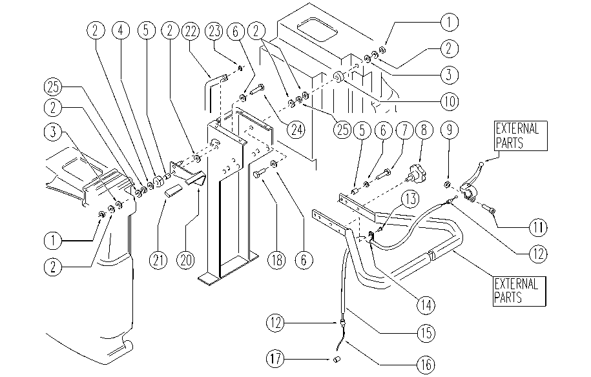

REF. | CODE | DESCRIPTION | QT
1 | E86853 | Nyloc Hex Nut, M8 Zinc | 2
2 | E86878 | Washer | 7
3 | E86718 | AS20 Washer | 2
4 | E86745 | Bushing | 1
5 | E86453 | AS20 Bushing | 3
6 | E86879 | Washer | 4
7 | E86454 | AS20 Screw | 2
8 | E86674 | AS28 Knob | 2
9 | SL05057 | NUT | 1
10 | SL07209K | SPACER | 1
11 | SL04063 | SCREW | 1
12 | SL14116 | BUSHING | 2
13 | E86336 | M4 - 10 Phil Pan Head Screw | 1
14 | SL14146 | EYELET | 1
15 | E86747 | Spiral Sheath D.6/520 mm | 1
16 | SL14143 | CABLE | 1
17 | E86990 | Terminal D.5,5-2 L7 with Dowel | 1
18 | E86869 | Screw | 1
20 | SL09410K | LEVER | 1
21 | E86450 | Tank Support Handle | 1
22 | E86477 | AS20 Tie Rod SQ/ECO 450-530 BT | 1
23 | E86875 | Self-Locking Nut | 1
24 | E86486 | Screw TE M8-45 | 1
25 | E86853 | Nyloc Hex Nut, M8 Zinc | 2

